Sheet1
 |  |  | BRUSH DRIVE WITH RELAY
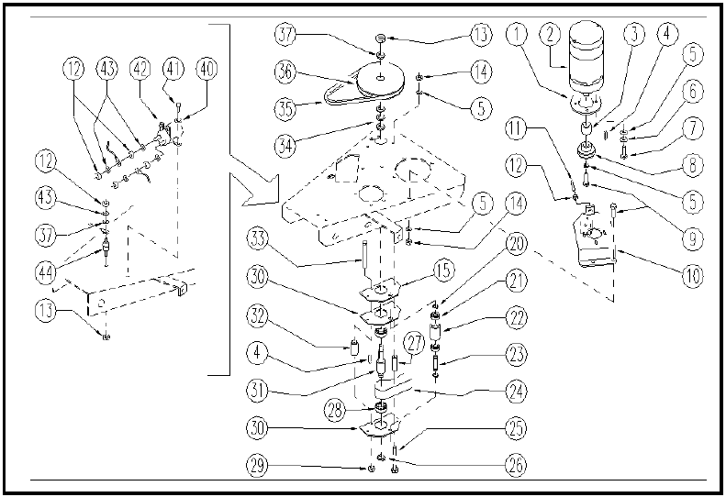

ITEM | SKU | DESCRIPTION | QTY | ITEM | SKU | DESCRIPTION | QTY
1 | E86374 | flange WS20/24 | 1 | 24 | E87848 | Brush Drive Flat Belt WS20 | 1
2 | E86608 | Brush Motor | 1 | 25 | E87833 | Screw WS20 | 2
3 | E86375 | spacer WS20/24 | 1 | 26 | E86537 | Ring | 1
4 | E86536 | Key | 2 | 27 | E89485 | Spacer | 2
5 | E86758 | Washer | 8 | 28 | E83310 | Bearing, 6203 2RS | 2
6 | E86716 | Cham Washer | 4 | 29 | E86873 | Nut | 1
7 | E86475 | AS20 Screw TE M .6-20 | 4 | 30 | E86994 | Plaque | 2
8 | MTPL00151 | PULLEY | 1 | 31 | E86535 | Shaft before serial# 04B004 | 1
9 | E86737 | Screw | 4 | 32 | E86995 | Spacer WS20/24 | 1
10 | E89290 | Brush motor support | 1 | 33 | E86499 | Hex Bolt M6x55 SS | 1
11 | E89256 | Screw | 1 | 34 | E86744 | AS20 Washer | 3
12 | VTDD10776 | NUT M 8 X1 UNI 5588 | 2 | 35 | E87847 | Brush Drive V Belt WS20 | 1
13 | E86853 | Self-locking nut M8 | 2 | 36 | E89409 | Pulley Type Z DP150 | 1
14 | E86875 | Self-Locking Nut | 4 | 37 | E86565 | washer | 2
15 | E89368 | Gasket WS20 | 1 | 40 | E86797 | Washer | 2
20 | E89408 | Stop Ring | 2 | 41 | E86336 | M4 - 10 Phil Pan Head Screw | 2
21 | E86667 | Bearing, 6001 2RS | 2 | 42 | E86420 | Relay | 1
22 | E86727 | Neutral Pulley | 1 | 43 | VTRS00229 | WASHER D.8 | 1
23 | E86666 | AS28 Pin | 1 | 44 | MEVR01116 | SUPPORT FUSIBILE 120 A | 1

